1. Title Page
GroceryBasket Analysis

Project Name: Instacart GroceryBasket Analysis
Date: August 31, 2023
Analyst Name: Pierre Gilliot

Contents:
Population Flow
Consistency checks
Wrangling steps
Column derivations
Visualizations
Recommendations

Data courtesty of Instacart

2. Population Flow
Population flow

Orders_products_combined
Orders_products_merged
Orders_products_all

Total: 32,404,859
Total: 32,435,059
Total: 30,964,564

1.) The grey boxes represent the original unmanipulated data.
2.) The second row of boxes (coloured) represents the data sets after we manipulated them, e.g., removed missing values and duplicates.
3.) The third row, where also the arrows are coloured, represents the merges we performed between the datasets.

Exclusion flag
Condition: max_order < 5
Obervations to be removed: 1,440,295
Final total count of order_products_all: 30,964,564

3. Consistency checks
Consistency checks

Dataset | Missing values | Missing values treatment | Duplicates
orders | 206, 209 missing values in 'days_since_prior_order' column | No treatment. The missing values indicate the first order of clients. | No duplicates
products | 16 missing values in 'product_name' column | Removed rows with missing values in the 'product_name' column. There is no way to derive the product name from the other columns, such as 'product_id'. Therefore, these rows are irrelevant for our analysis. | 5 duplicate rows removed
customers | 11'259 missing values in 'first_name' column | No treatment. Missing values should have negligible impact on our analysis. | No duplicates

4. Wrangling steps
Wrangling steps

Data Set | Columns dropped | Columns renamed | Columns' type changed | Other Action Taken | Comment/Reason
orders | 'eval_set' |  |  |  | Unnecessary column
orders |  | 'order_dow' -> 'orders_day_of_week' |  |  | Refactoring to a more descriptive column name
departments |  |  |  | Transposed dataframe from wide to long format
customers |  | 'First Name' -> 'first_name' |  |  | Aligning with column naming conventions
customers |  | 'Surnam' -> 'surname' |  |  | Correcting misspelling & aligning with column naming conventions
customers |  | 'Gender' -> 'gender' |  |  | Aligning with column naming conventions
customers |  | 'STATE' -> 'state' |  |  | Aligning with column naming conventions
customers |  | 'Age' -> 'age' |  |  | Aligning with column naming conventions
customers |  | 'n_dependants' -> 'num_dependents' |  |  | Correcting misspelling & aligning with column naming conventions

5. Column derivations
 |  |  |  | Title page

Column derivations and aggregations

Dataset | New column | Column/s it was derived from | Conditions
ords_prods_merged | price_range_loc | prices | Low-range product: <= 5 Mid-range product: >5 and <=15 High-range product: > 15
ords_prods_merged | busiest_day | orders_day_of_the_week | Busiest day: 0, Least busy: 4 Regularly busy: all other values
ords_prods_merged | busiest_period_of_day | order_hour_of_day | Most orders: [10, 11, 14, 15, 13, 12, 16, 9] Fewest orders: [23, 6, 0, 1, 5, 2, 4, 3] Average orders: all other values
ords_prods_merge | loyalty_flag | max_order | Loyal customer: value > 40 Regular customer: value<=40 and >10 New customer: value <10
ords_prods_merge | spending_flag | mean_price | Low spender: < 10 High spender: >=10
ords_prods_merge | frequency_flag | median_days | Frequent customer: > 20 Regular customer: > 10 and <= 20 Non-frequent customer: <=10
cust_ords_prods | region | states | Northeast: ['Maine', 'New Hampshire', 'Vermont', 'Massachusetts', 'Rhode Island', 'Connecticut', 'New York', 'Pennsylvania', 'New Jersey'] Midwest: ['Wisconsin', 'Michigan', 'Illinois', 'Indiana', 'Ohio', 'North Dakota', 'South Dakota', 'Nebraska', 'Kansas', 'Minnesota', 'Iowa', 'Missouri'] South: ['Delaware', 'Maryland', 'District of Columbia', 'Virginia', 'West Virginia', 'North Carolina', 'South Carolina', 'Georgia', 'Florida', 'Kentucky', 'Tennessee', 'Mississippi', 'Alabama', 'Oklahoma', 'Texas', 'Arkansas', 'Louisiana'] Wes: ['Idaho', 'Montana', 'Wyoming', 'Nevada', 'Utah', 'Colorado', 'Arizona', 'New Mexico', 'Alaska', 'Washington', 'Oregon', 'California', 'Hawaii'] * See below for accredidation
cust_ords_prods | customer_activity | max_order | High_activity_customers: >= 5 Low_activity_customers: < 5
high_act_cust | age_group | age | 18-29: <= 29 30-39: > 29 and < 40 40-49: > 30 and < 50 50-59: > 49 and < 60 60-69: > 59 and < 70 70 and over: > 69
high_act_cust | income_group | income | Working: <= 75,000 Middle: > 75,000 and <120,001 Upper: > 120,000 and < 400,001 High Wealth: > 400,000 ** See below for accredidation
high_act_cust | dependent_type | num_dependents department user_id | babies in household: num_dependents > 0 and department = 'babies' no babies in household: all other values
cust_depts_merged | parental_age | num_dependents age_group user_id | young parent: num_dependents > 0 and age_group 18 - 29 older parent: num dependents > 0 and all other ages (can only include >29 per age groupings)
cust_depts_merged | family_type | fam_status num_dependents | married with dependents: fam_status = married and num_dependents > 1 married no dependents: fam_status = married and num_dependents == 1 single no dependents: fam_status != married and num_dependents == 0 single with dependents: fam_status != married and num_dependents >0

* Census Bureau - Regional Divisions
** US Census Bureau - Income and Wealth Data

6. Visualizations
Visualisations

 | 1. What are the busiest days of the week and hours of the day for orders?
 | Busiest days of week: Saturday and Sunday

 | Busiest hours of day: 10:00 - 16:00

 | 2. Are there particular times of the day when people spend more money?
 | Between 3am -7am is the time when the most money is spent
 | The total price difference is minimal between 3am and 10am (only 1%)
 | The lowest spending period occurs between 9am - 12pm
 | 
 | 3. Is there a way to implement simplified groupings of products by price?
 | Products can be assigned into groups based on their price relative to predetermined pricing groups.
 | 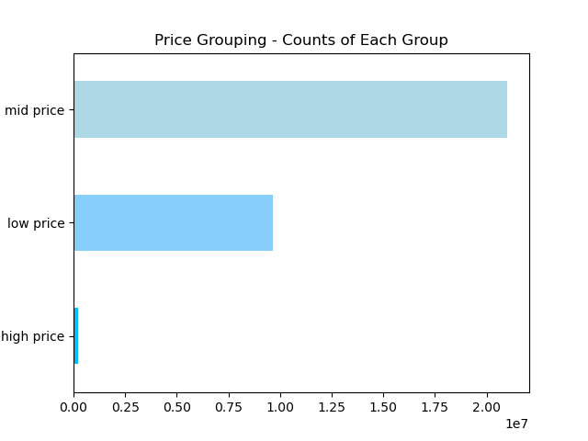 |  |  | Prices Summary Stats: min 1.0 mean 7.8 max 25.0 Price Groups: low price: <= $5 (31% of total) mid price: > $5 - < $19 (68% of total) high price: >= $20 (1% of total)
 | 4. Are certain types of products more popular than others?
 | Items from the "produce" and "Dairy" departments are the most ordered
 | 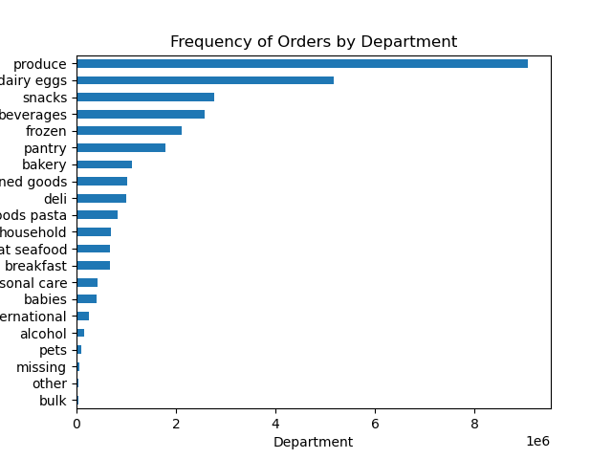
 | 5. What's the distribution among users in their brand loyalty/how often do they return to instacart?
 | Loyalty Group Distribution: Regular customer 51% Loyal customer 33% New customer 16%
 | *Regular customers are categorized as having placed between 10-40 orders *Loyal customers are categorized as having placed more than 40 orders *New customers are categorized as having placed less than 10 orders
 | New customers are the least likely to frequently use Instacart.
 | 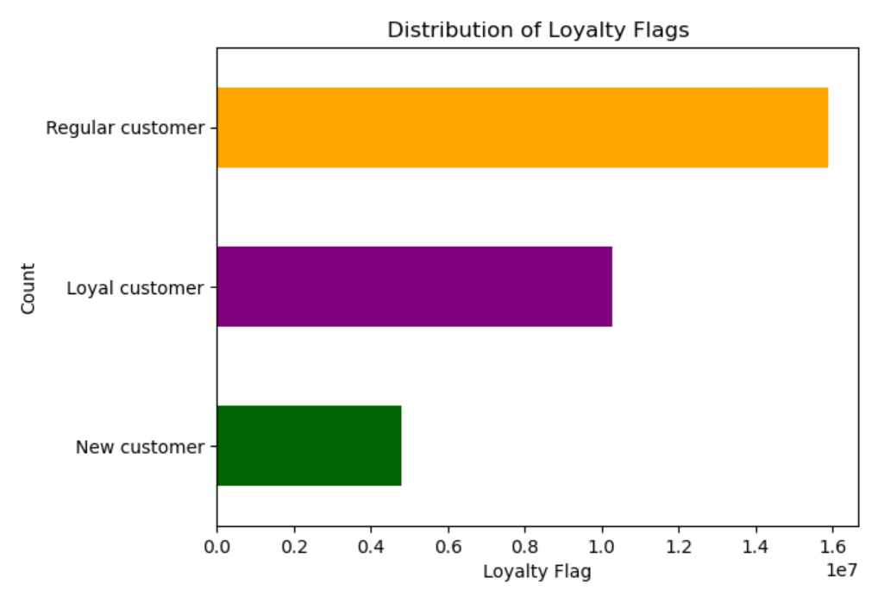
 | 6. Are there differences in ordering habits based on a customer's loyalty status?
 | Loyal' and 'Regular' customers spend a higher amount on average at the beginning of the week.
 | Loyalty groups does not seem to influence a preference towards a specific type of goods
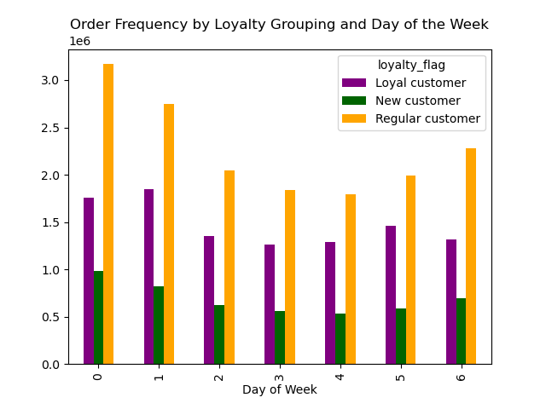 |  |  | 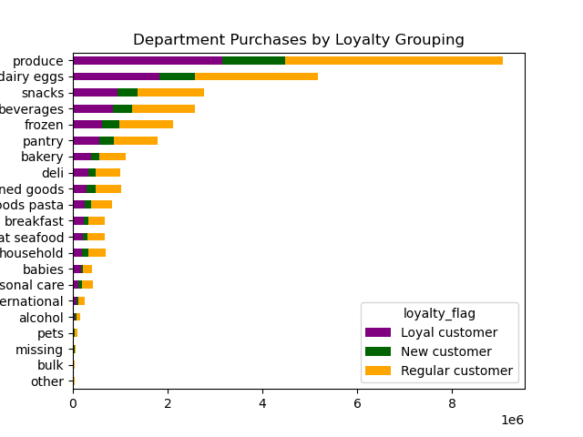
 | 7. Are there differences in ordering habits based on a customer's region?
 | The highest number of orders are placed in the South
 | The lowest number of orders are placed in the Northeast

 | 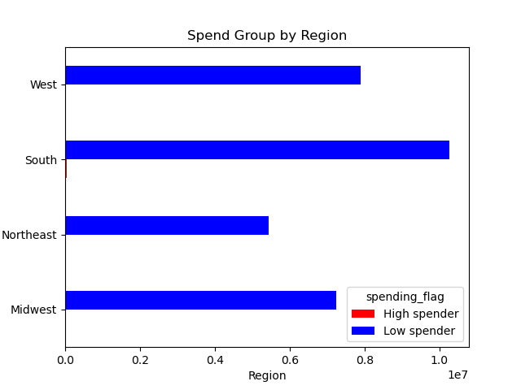
 | 8. Is there a connection between age and familty status in terms of ordering habits?
 | Youngest and oldest customers are the highest ordering age groups.
 | Married customers make up the bulk of the mid-range age groups.
 | Married customers group is the highest ordering one.
 | 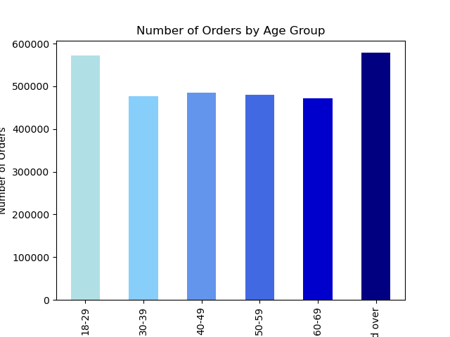 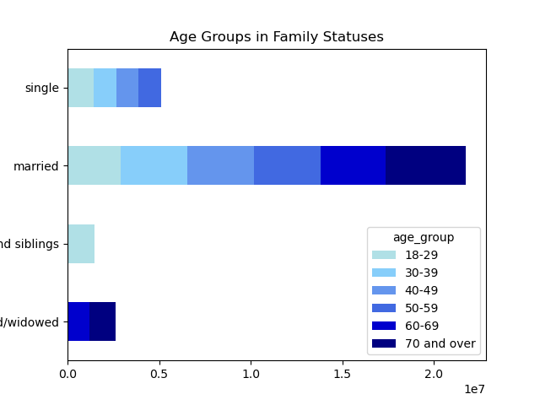 |  | 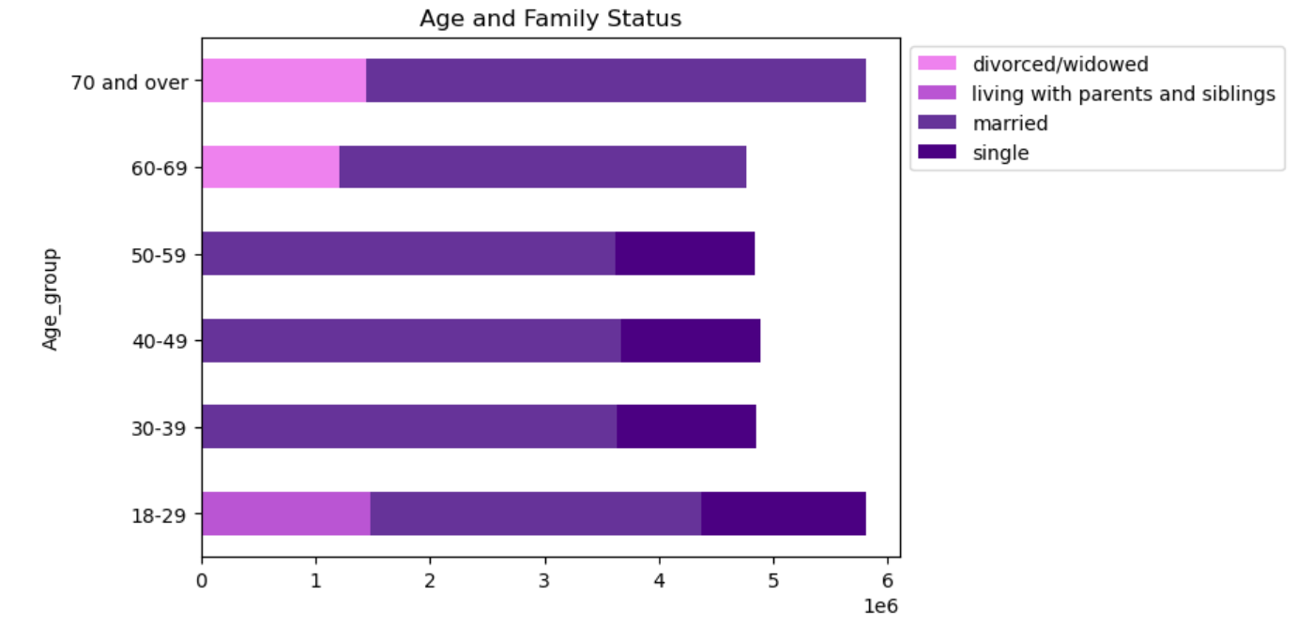 | 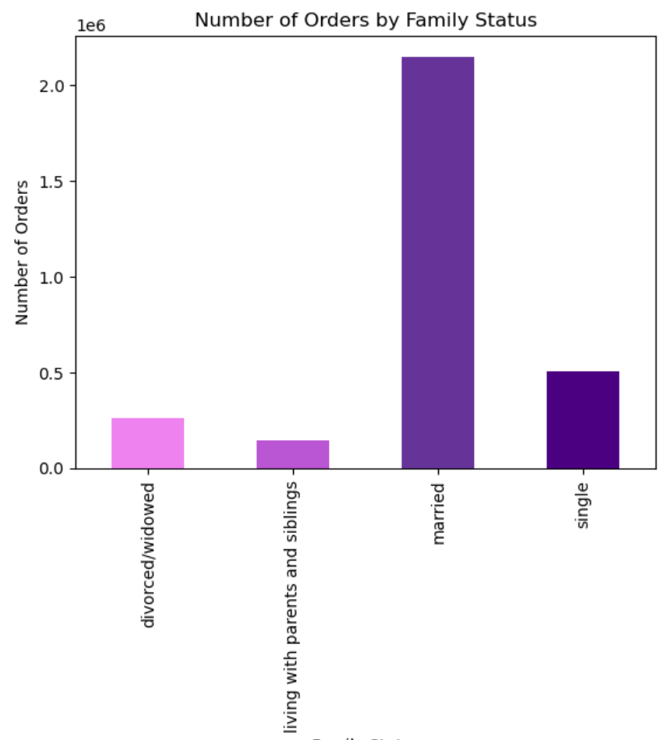

 | 9. What different classifications does the demographic information suggest? Age/income/types of goods/family status
 | 10. What differences can you find in ordering habits of different customer profiles? Consider the price of orders, the frequency of orders, the products customers are ordering, and anything else you can think of.

 | Age:
 | Youngest and oldest customers are the biggest age groups of Instacart customer base
 | The bulk of instacart clientele is made up of people from 30-69 years old, aka married couples and family with children
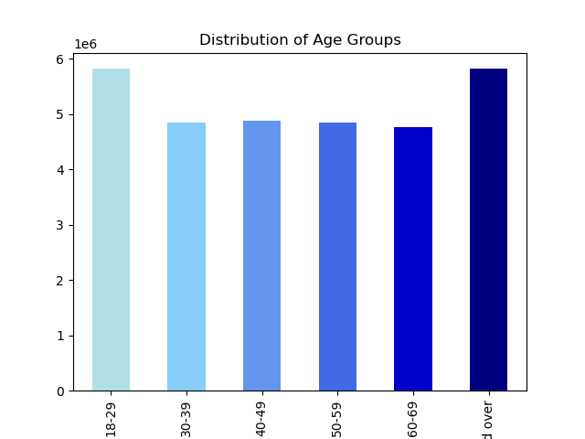
 | Income:
 | Average price of orders differs not based on income groups
 | Order frequency and distribution of income groups follow an identical pattern: Middle, Working, Upper and High (in decreasing order)
 | 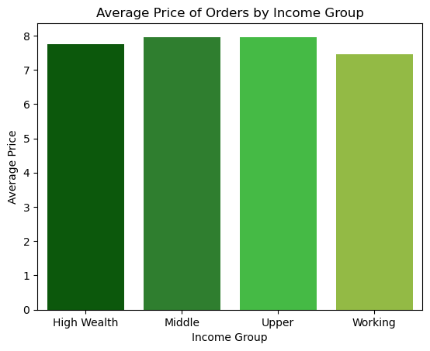 | 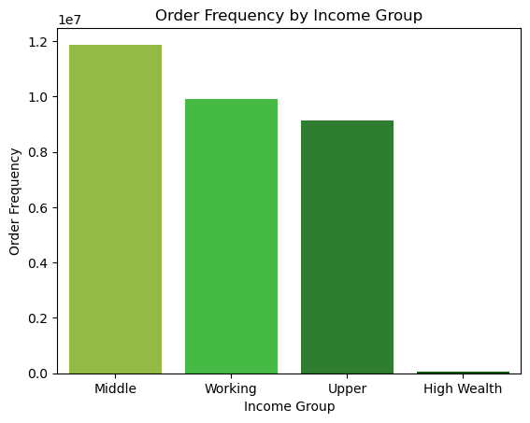 |  |  | 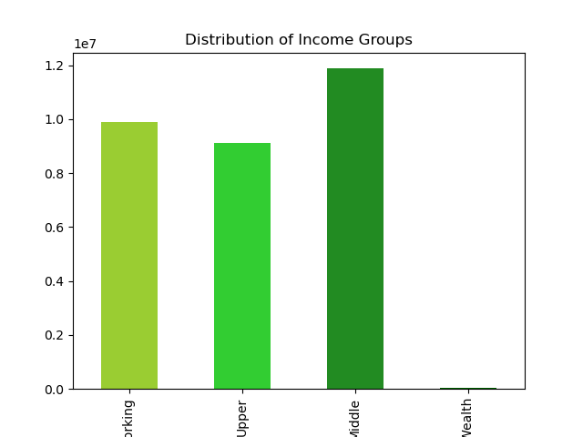
 | Family structure
 | Married couple with dependent makes up the bulk of instacart clientele
 | Average price doesn’t differe depending on family status
 | Families with babies tend to order much less

 | 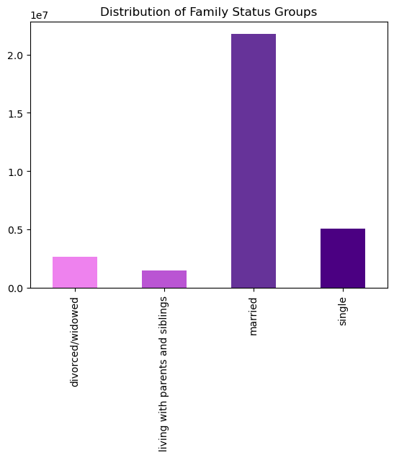 |  | 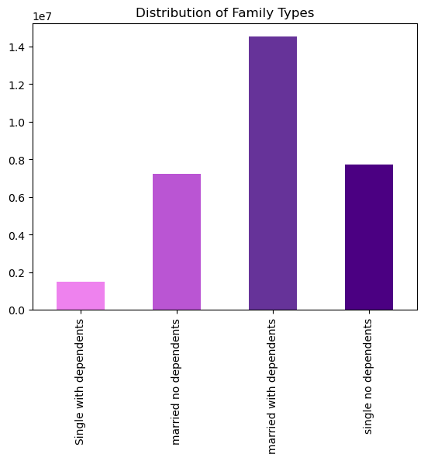 |  |  | 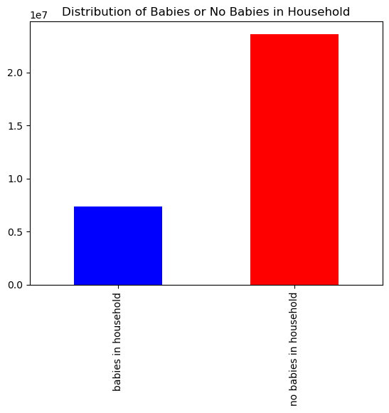
 | 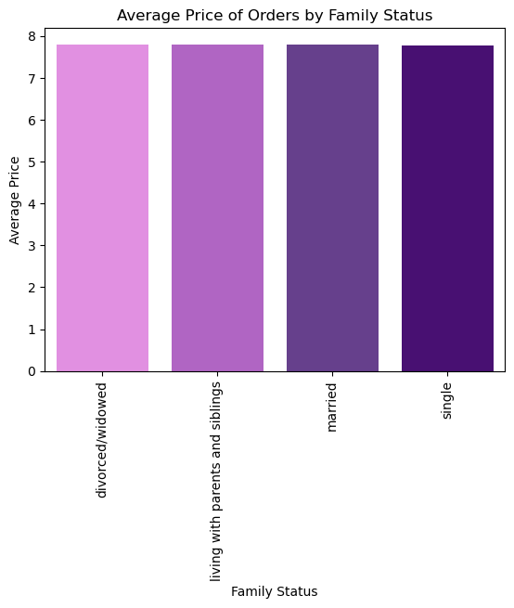 |  | 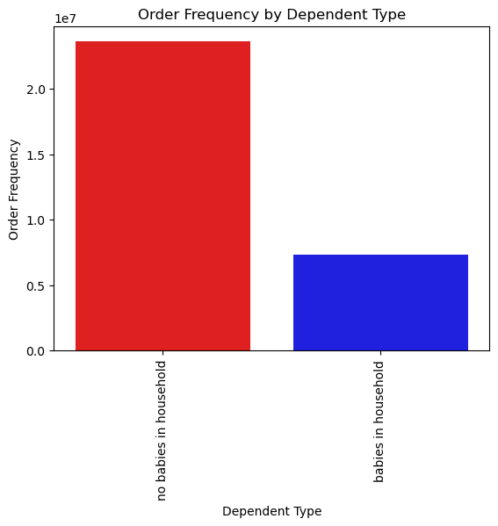
 | Products:
 | Bananas are the most popular item across and within demographic groupings
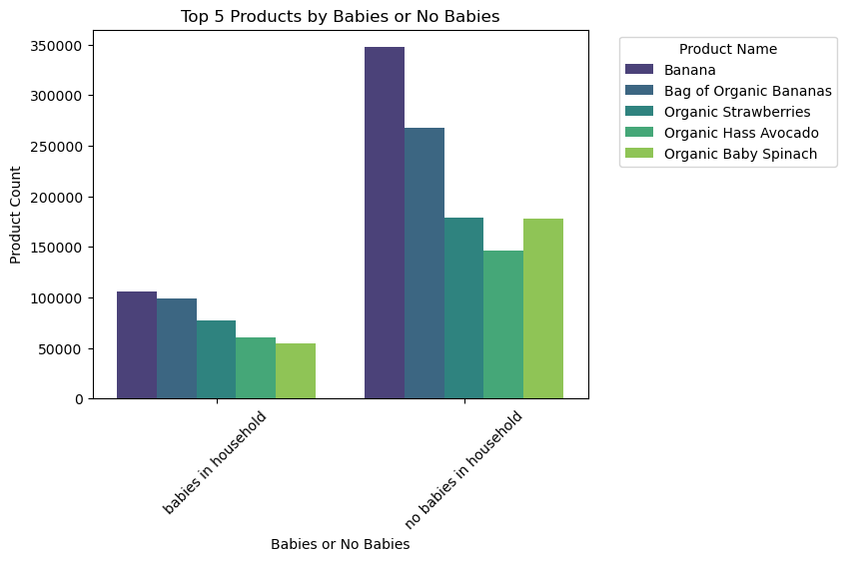 |  |  |  | 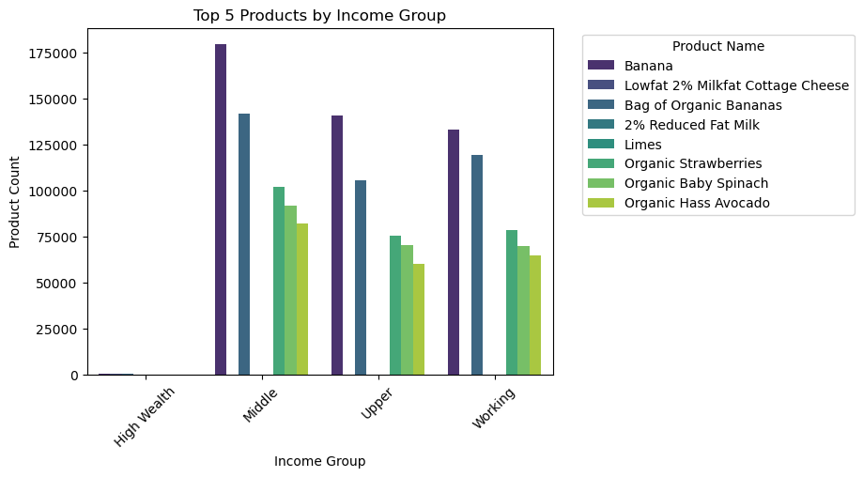

7. Recommendations
Recommendations

1. The sales team needs to know what the busiest days of the week and hours of the day are in order to schedule ads at times when there are fewer orders.
2. They want to know whether there are particular times of the day when people spend the most money, as this might inform the type of products they advertise at these times.

Saturdays and Sundays, between 10am and 4pm, are the busiest days and hours. We would thus recommend prioritising these time slots for advertisments (e.g. special discounts for orders placed on weekdays). During low order days and times, we should consider scheduling a heavier add load Monday - Friday, to run at hours outside of 9am-4pm (e.g. special discounts for orders placed earlier than 9am). Besides, the most money is being spent on Saturdays and Fridays at 4am. Differently targeted advertisement is recommended during these times. It would be interesting to know which categories of products are being purchased at these differing days and times? Are these people winding down from a night out who are placing ordering? What other items would they be interested in that are not yet available on Instacart? Furthermore, we would advise to advertise organic/more expensive items from 9am-4pm; the fact that non-organic Bananas ($4.50) are more popular than Organic Bananas ($10.30) may indicate that customers have a slight preference for cheaper products. It would be interesting to know: What are the most expensive items be purchased between 3 and 7am? What are the most expensive items be purchased between 9am and 4pm?

3. Instacart has a lot of products with different price tags. Marketing and sales want to use simpler price range groupings to help direct their efforts.

Most items are priced between $1-15. Relatively, there are only a few items priced above $15. We would reccomend the following categorization: Price Groups: low price: <= $5 (31%) mid price: > $5 - < $19 (68%) high price: >= $20 (1%) Mid-range products ($5-15) are selling the highest; 116% more than the runner up, low-range. Produce, dairy eggs, beverages, frozen and pantry are the top selling of mid-range products. It is recommended that inventory of these categories should be expanded and having more targeted ads and special offers.

4. Are there certain types of products that are more popular than others? The marketing and sales teams want to know which departments have the highest frequency of product orders.

Top categories of products are produce and dairy, the perishables. It is recommended to have high quality, high inventory and wide selection of products in these categories. Babanas are instacart most sold products, Instacart should take this into consideration as well.

5. What’s the distribution among users in regards to their brand loyalty (i.e., how often do they return to Instacart)?

Regular customers make up 51% of the orders, followed by loyal and new customers. "Regular customers" usually make between 10~40 orders. New customers are the least likely to frequently use Instacart. If the goal is to increase frequency of orders, an incentive coupon or card is recommended. Furthermore, receiving feedback from these regular customers would be helpful to see how service or products can be improved or expanded to satisfy their needs. We should also look into how to convert 'Regular' customers into 'Loyal Customers', and what factors correlate with a customer's transition from a 'New Customer' to a 'Loyal Customer' over time.

6. Are there differences in ordering habits based on a customer’s loyalty status?

Across all loyalty categories, customers are purchasing ~10% on high, ~30% on low and ~70% on mid-range products. Majority of customers are categorized as low spenders (purchasing items less than $10 on average). Within those, the regularly loyal customers should be taken care of well by providing them high quality products, great customer service and user experience. The focus should be placed on retaining these customers for their repeated and frequent business. Incentivized surveys should be offered to see what areas they are thrilled with and what areas improvements can be made.

7. Are there differences in ordering habits based on a customer’s region?

Number of regional orders from highest to lowest: South, West, Midwest, Northeast. We should investigate why our customer base is bigger in the South compared to other regions. Is there something we did in the South we can recreate in other regions to expand our customer base? Should we create an aggressive marketing campaign (with coupons or target discounts) in region where we are less popular?

8. Is there a connection between age and family status in terms of ordering habits?

Married couple with dependents place the highest number of orders. This category of family status range in age from 18 to 65+, with the highest number in 65+ age group. Therefore, we advise to focus marketing efforts on customers with dependents. It is key to understand the needs of each age group and provide products they are needing and wishing for. Directing marketing efforts towards married customers ages 30 - 59 would effectively reach the large majority of Instacart's customers. And additional marketing efforts that target single people ages 18 - 29 and 60 - 80+ should be carried out as well since they represent the age group that order the most on Instacart.

9. What different classifications does the demographic information suggest? Age? Income? Certain types of goods? Family status? 10. What differences can you find in ordering habits of different customer profiles? Consider the price of orders, the frequency of orders, the products customers are ordering, and anything else you can think of.

No fluctuations of customer behaviors observed across regions were observed. But there are fluctuactions among income groups: Low income customers places the most orders. We recommend to focus on this income group, create smaller breakdowns of income to look further into each group's ordering behaviors to better serve their specific needs. We would also recommend to launch target ads and/or coupons towards 'Middle' income customers. Organic produce is very popular among all customer segments - we should consider offering special discounts on these items and special bundles that prompts buying other related products.

